End Effector Pos
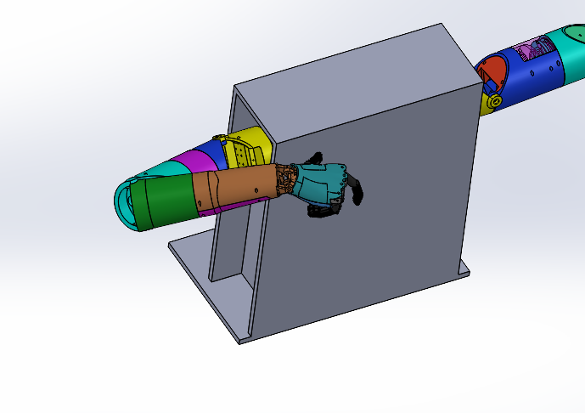
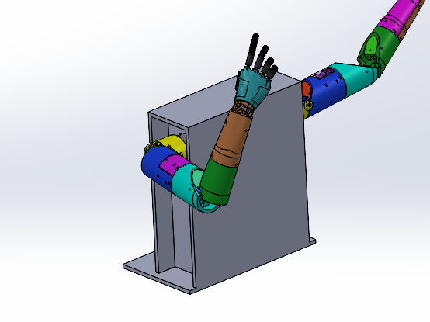
 | Measured |  |  |  |  |  |  |  |  | Solidworks |  |  |  |  |  |  |  |  |  |  |  | Mean error | Mean varaince from position average
 | Center on Palm |  |  | gear bolt center |  |  | no gear bolt center |  |  | Center on Palm |  |  | gear bolt center |  |  | no gear bolt center |  |  |  |  |  | 109.3718007 | 7.234920675
Position | x (to wood) | y (to table) | z (to robot) | x (to wood) | y (to table) | z (to robot) | x (to wood) | y (to table) | z (to robot) | x (to wood) | y (to table) | z (to robot) | x (to wood) | y (to table) | z (to robot) | x (to wood) | y (to table) | z (to robot) | Delta X | Delta Y | Delta Z | dist | Varaince from position average | Average position variance |  | Standard deviation of distance to target | std x | std y | std z | max std (x,y,z) | eucledian std
1 | 284 | 116 | 190 |  |  |  |  |  |  | 165.95 | 259.2 | 251.6 | 102.3 | 267.6 | 266.1 | 122.9 | 218.4 | 252.6 | 29.05 | -143.2 | -61.6 | 158.5708123
 | 300 | 108 | 202 |  |  |  |  |  |  |  |  |  |  |  |  |  |  |  | 179 | 108 | 202 | 290.7043171
 | 293 | 108 | 193 |  |  |  |  |  |  |  |  |  |  |  |  |  |  |  | 186 | 108 | 193 | 288.979238
 | 289 | 112 | 190 |  |  |  |  |  |  |  |  |  |  |  |  |  |  |  | 190 | 112 | 190 | 291.1082273
 | 378 | 169 | 433 |  |  |  |  |  |  | 113.2 | 354.5 | 469.7 |  |  |  |  |  |  | -12.2 | -185.5 | -36.7 | 189.4887332
From here on are with the adjuted upp shoulder |  |  |  |  |  |  |  |  |  |  |  |  |  |  |  |  |  |  | 479 | 0 | 0
1 | 290 | 147 | 226 |  |  |  |  |  |  | 165.95 | 259.2 | 251.6 | 102.3 | 267.6 | 266.1 | 122.9 | 218.4 | 252.6 | 23.05 | -112.2 | -25.6 | 117.3690866 | 0.7192254964 | 118.0883121 | 3.889350647 | 6.019749218 | 1.707825128 | 5.830951895 | 4.856267428 | 5.830951895 | 7.778174593
1 | 287 | 156 | 220 |  |  |  |  |  |  | 165.95 | 259.2 | 251.6 | 102.3 | 267.6 | 266.1 | 122.9 | 218.4 | 252.6 | 26.05 | -103.2 | -31.6 | 111.0288363 | 7.059475797 | 118.08831214 |  |  |  |  |  | 0 | 0
1 | 288 | 147 | 224 |  |  |  |  |  |  | 165.95 | 259.2 | 251.6 | 102.3 | 267.6 | 266.1 | 122.9 | 218.4 | 252.6 | 25.05 | -112.2 | -27.6 | 118.2290256 | 0.1407134821 | 118.08831214 |  |  |  |  |  | 0 | 0
1 | 286 | 142 | 215 |  |  |  |  |  |  | 165.95 | 259.2 | 251.6 | 102.3 | 267.6 | 266.1 | 122.9 | 218.4 | 252.6 | 27.05 | -117.2 | -36.6 | 125.7263 | 7.637987812 | 118.08831214 |  |  |  |  |  | 0 | 0
2 | 367 | 250 | 458 |  |  |  |  |  |  | 113.2 | 354.5 | 469.7 |  |  |  |  |  |  | -1.2 | -104.5 | -11.7 | 105.1597832 | 3.143858001 | 108.3036412 | 2.452791278 | 3.235491789 | 1.258305739 | 3.095695937 | 2.449489743 | 3.095695937 | 4.143267632
2 | 370 | 243 | 455 |  |  |  |  |  |  | 113.2 | 354.5 | 469.7 |  |  |  |  |  |  | -4.2 | -111.5 | -14.7 | 112.5432361 | 4.239594948 | 108.30364119 |  |  |  |  |  | 0 | 0
2 | 368 | 249 | 455 |  |  |  |  |  |  | 113.2 | 354.5 | 469.7 |  |  |  |  |  |  | -2.2 | -105.5 | -14.7 | 106.5419166 | 1.761724555 | 108.30364119 |  |  |  |  |  | 0 | 0
2 | 368 | 247 | 452 |  |  |  |  |  |  | 113.2 | 354.5 | 469.7 |  |  |  |  |  |  | -2.2 | -107.5 | -17.7 | 108.9696288 | 0.6659876079 | 108.30364119 |  |  |  |  |  | 0 | 0
3 | 475 | 499 | 219 |  |  |  |  |  |  | 22.5 | 539.7 | 158.7 |  |  |  |  |  |  | -18.5 | -40.7 | 60.3 | 75.06550473 | 3.291887713 | 71.77361701 | 2.374012444 | 3.421091567 | 1.5 | 4.509249753 | 7.047458171 | 7.047458171 | 8.5
3 | 472 | 489 | 209 |  |  |  |  |  |  | 22.5 | 539.7 | 158.7 |  |  |  |  |  |  | -15.5 | -50.7 | 50.3 | 73.08098248 | 1.307365464 | 71.773617015 |  |  |  |  |  | 0 | 0
3 | 473 | 490 | 208 |  |  |  |  |  |  | 22.5 | 539.7 | 158.7 |  |  |  |  |  |  | -16.5 | -49.7 | 49.3 | 71.92238873 | 0.148771711 | 71.773617015 |  |  |  |  |  | 0 | 0
3 | 475 | 492 | 202 |  |  |  |  |  |  | 22.5 | 539.7 | 158.7 |  |  |  |  |  |  | -18.5 | -47.7 | 43.3 | 67.02559213 | 4.748024887 | 71.773617015 |  |  |  |  |  | 0 | 0
4 | 323 | 623 | 298 |  |  |  |  |  |  | 73.6 | 696.7 | 240.2 |  |  |  |  |  |  | 82.4 | -73.7 | 57.8 | 124.7489078 | 14.5727247 | 139.3216325 | 20.22352833 | 24.11839452 | 24.67623688 | 17.29161647 | 4.5 | 24.67623688 | 30.46582785
4 | 300 | 603 | 304 |  |  |  |  |  |  | 73.6 | 696.7 | 240.2 |  |  |  |  |  |  | 105.4 | -93.7 | 63.8 | 154.7878871 | 15.46625462 | 139.32163251 |  |  |  |  |  | 0 | 0
4 | 300 | 588 | 304 |  |  |  |  |  |  | 73.6 | 696.7 | 240.2 |  |  |  |  |  |  | 105.4 | -108.7 | 63.8 | 164.3024346 | 24.98080205 | 139.32163251 |  |  |  |  |  | 0 | 0
4 | 352 | 624 | 309 |  |  |  |  |  |  | 73.6 | 696.7 | 240.2 |  |  |  |  |  |  | 53.4 | -72.7 | 68.8 | 113.4473005 | 25.87433197 | 139.32163251 |  |  |  |  |  | 0 | 0
 |  |  |  |  |  |  |  |  |  |  |  |  |  |  |  |  |  |  | 479 |  | 0 | 479 | 0 | 479 | 198.1503895 | 0 |  |  |  | 0 | 0
 |  |  |  |  |  |  |  |  |  |  |  |  |  |  |  |  |  |  | 479 |  | 0 | 479 | 239.5 | 359.25 | 198.1503895 | 239.5 |  |  |  | 0 | 0
 |  |  |  |  |  |  |  |  |  |  |  |  |  |  |  |  |  |  | 479 |  | 0 | 479 | 276.5507789 | 239.5 | #DIV/0! | 276.5507789 |  |  |  | 0 | 0
 |  |  |  |  |  |  |  |  |  |  |  |  |  |  |  |  |  |  | 479 |  | 0 | 479 | 276.5507789 | 159.6666667 | #DIV/0! | 276.5507789 |  |  |  | 0 | 0
 |  |  |  |  |  |  |  |  |  |  |  |  |  |  |  |  |  |  |  |  | 0 | 0 | 0 | 0 | #DIV/0! | 0 |  |  |  | 0 | 0
 |  |  |  |  |  |  |  |  |  |  |  |  |  |  |  |  |  |  |  |  | 0 | 0 | #DIV/0! | 0 | #DIV/0! | #DIV/0! |  |  |  | 0 | 0

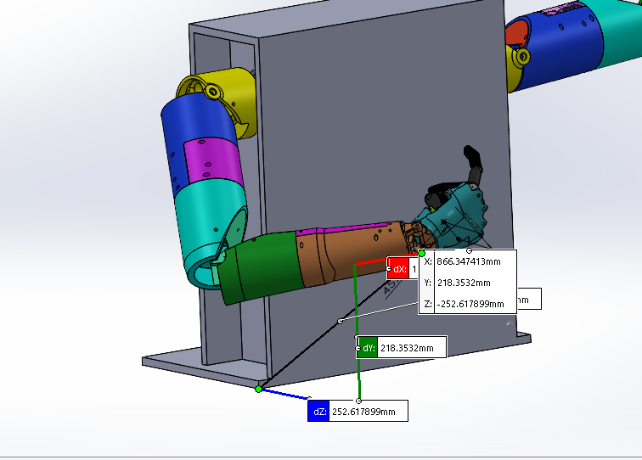

 |  |  |  |  |  |  |  |  |  |  |  |  |  |  |  |  |  |  |  |  |  |  |  | Position | Mean Euclidean Distance from Target (mm) | Standard deviation in X (mm) | Standard deviation in Y (mm) | Standard deviation in Z (mm) | Maximum Standard deviation (mm) (ISO 9283:1998) | Eucledian Standard deviation (mm)
 |  |  |  |  |  |  |  |  |  |  |  |  |  |  |  |  |  |  |  |  |  |  |  | 1 | 118 | 1.7 | 5.8 | 4.9 | 5.8 | 7.8
 |  |  |  |  |  |  |  |  |  |  |  |  |  |  |  |  |  |  |  |  |  |  |  | 2 | 108 | 13 | 3.1 | 2.4 | 3.1 | 4.1
 |  |  |  |  |  |  |  |  |  |  |  |  |  |  |  |  |  |  |  |  |  |  |  | 3 | 71 | 1.5 | 4.5 | 7 | 7 | 8.5
 |  |  |  |  |  |  |  |  |  |  |  |  |  |  |  |  |  |  |  |  |  |  |  | 4 | 139 | 24.7 | 17.3 | 4.5 | 24.7 | 30.5
 |  |  |  |  |  |  |  |  |  |  |  |  |  |  |  |  |  |  |  |  |  |  |  | Average | 109.4 | 10.225 | 7.675 | 4.7 | 10.15 | 12.725

 |  |  |  |  |  |  |  |  |  |  | Pos 3 |  |  |  |  |  |  | pos 4

Upp_sh_acc
Upper shoulder |  |  |  |  |  | mid shoulder
Sent | Measured Trans | Measured |  | Error | Std error | Sent | Measured Trans | Measured |  | Error | Std error | Joint | Actuator | Mean Squared Error (deg) | Standard deviation of error (deg) | Mean Error (deg)
80 | 67.8 | 22.2 |  | 12.2 | 2.765605075 | 10 | 3.5 | 1 |  | 6.5 | 2.717634213 | Upper Shoulder | 150kgcm hobby servo | 10.1 | 2.8 | 9.8
180 | 173.4 | 83.4 |  | 6.6 | Mean Error | 85 | 87.5 | 85 |  | -2.5 | Mean Error | Upper Shoulder after adjsutments | 150kgcm hobby servo | 2.5 | 2.6 | 0.5
45 | 37 | 53 |  | 8 | 9.8 | 20 | 15.8 | 13.3 |  | 4.2 | 2.7375 | Mid shoulder | 150kgcm hobby servo | 3.7 | 2.7 | 2.7
-23 | -29.5 | 60.5 |  | 6.5 | MSE | 60 | 58.5 | 56 |  | 1.5 | MSE | Lower Shoulder | 45kgcm smart servo | 7.5 | 5.8 | -4.3
100 | 86 | 4 |  | 14 | 10.13570422 | 30 | 26.8 | 24.3 |  | 3.2 | 3.735806473 | Elbow | 150kgcm hobby servo | 4.9 | 2.2 | 4.4
150 | 141.4 | 51.4 |  | 8.6 |  | 70 | 68.9 | 66.4 |  | 1.1 |  | Forearm | 25kgcm smart servo | 1.6 | 1.7 | 0.1
70 | 58.5 | 31.5 |  | 11.5 |  | 15 | 11.6 | 9.1 |  | 3.4 |  | Wrist | 45kgcm smart servo | 2.6 | 2.4 | -1.4
120 | 109 | 19 |  | 11 |  | 50 | 45.5 | 43 |  | 4.5 |  | Average | - | 3.8 | 2.9 | 0.3
Adjsuted top shoulder by 10 deg
Sent | Measured Trans | Measured | Pot was not wrong however | Error | Std error
80 | 78.6 | 11.4 |  | 1.4 | 2.605351635
180 | 180 | 90 |  | 0 | Mean Error | Low shoulder
45 | 45.6 | 44.4 |  | -0.6 | 0.475 | Sent | Measured Trans | Measured | sub | Error | Std error
-23 | -20 | 70 |  | -3 | MSE | 85 | 90 | 1.5 | 1.5 | -5 | 5.807097464
100 | 95 | 5 |  | 5 | 2.482941804 | 10 | 20.6 | 72.8 | 3.4 | -10.6 | Mean Error
150 | 152 | 62 |  | -2 |  | 50 | 49.4 | 44 | 3.4 | 0.6 | -4.3
Measured Trans vs Sent
70 | 67 | 23 |  | 3 |  | 70 | 70.3 | 23.1 | 3.4 | -0.3 | MSE
120 | 120 | 30 |  | 0 |  | -5 | 6.9 | 86.5 | 3.4 | -11.9 | 7.45979701
 |  |  | 41.62 |  |  | 40 | 38.6 | 54.8 | 3.4 | 1.4
 |  |  |  |  |  | 20 | 30.4 | 63.9 | 4.3 | -10.4

 |  |  |  |  |  | Elbow
 |  |  |  |  |  | Sent | Measured Trans | Measured |  | Error | Std error
 |  |  |  |  |  | 90 | 83.5 | 77.9 | 5.6 | 6.5 | 2.196750847
 |  |  |  |  |  | 0 | 0.3 | -5.3 |  | -0.3 | Mean Error
 |  |  |  |  |  | 100 | 93.7 | 88.1 |  | 6.3 | 4.4
 |  |  |  |  |  | 20 | 16.5 | 10.9 |  | 3.5 | MSE
 |  |  |  |  |  | 120 | 115.6 | 110 |  | 4.4 | 4.856181628
 |  |  |  |  |  | 50 | 45 | 39.4 |  | 5
 |  |  |  |  |  | 40 | 36.1 | 30.5 |  | 3.9
 |  |  |  |  |  | 110 | 104.1 | 98.5 |  | 5.9

Measured Trans vs Sent
 |  |  |  |  |  | Forearm
 |  |  |  |  |  | Sent | Measured Trans | Measured |  | Error | Std error
 |  |  |  |  |  | 0 | 0 | 0 | 272 | 0 | 1.677534492
 |  |  |  |  |  | 70 | 70.14705882 | 53 |  | -0.1470588235 | Mean Error
 |  |  |  |  |  | 180 | 178.6764706 | 135 |  | 1.323529412 | 0.1286764706
 |  |  |  |  |  | 20 | 19.85294118 | 15 |  | 0.1470588235 | MSE
 |  |  |  |  |  | 110 | 108.5294118 | 82 |  | 1.470588235 | 1.574456846
 |  |  |  |  |  | 50 | 51.61764706 | 39 |  | -1.617647059
 |  |  |  |  |  | 160 | 157.5 | 119 |  | 2.5
 |  |  |  |  |  | 90 | 92.64705882 | 70 |  | -2.647058824

 |  |  |  |  |  | Wrist
 |  |  |  |  |  | Sent | Measured Trans | Measured |  | Error | Std error
 |  |  |  |  |  | 0 | 0.6 | -3.9 | 3.9 | -0.6 | 2.356349073
 |  |  |  |  |  | -50 | -45.7 | -50.2 |  | -4.3 | Mean Error
 |  |  |  |  |  | 50 | 48.7 | 44.2 |  | 1.3 | -1.428571429
 |  |  |  |  |  | -20 | -17.7 | -22.2 |  | -2.3 | MSE
 |  |  |  |  |  | -40 | -36.3 | -40.8 |  | -3.7 | 2.607680962
 |  |  |  |  |  | 60 | 58.2 | 53.7 |  | 1.8
 |  |  |  |  |  | -30 | -27.8 | -32.3 |  | -2.2

Measured Trans vs Sent

